Campaign End Report

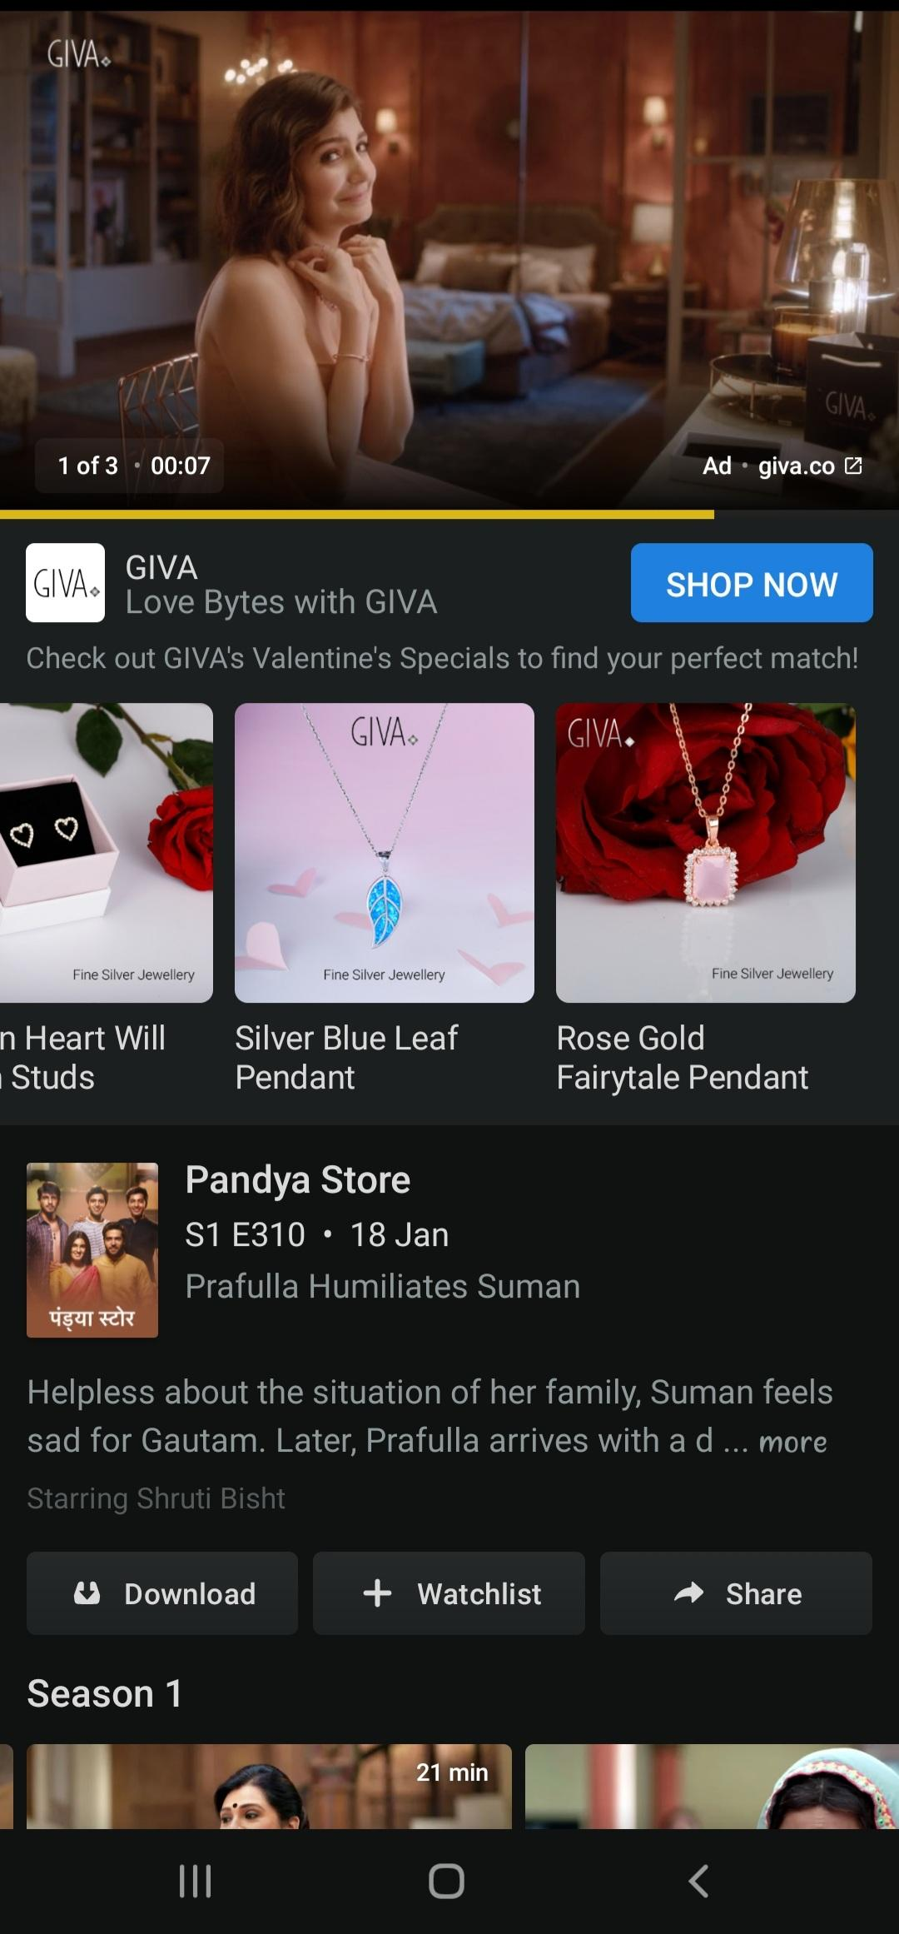
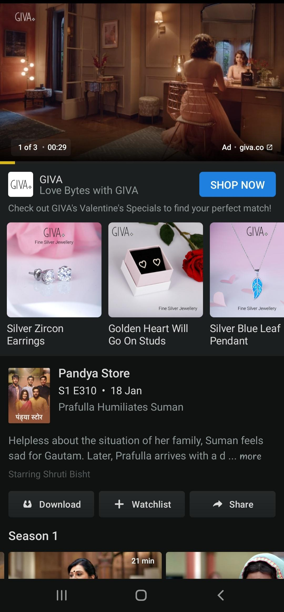
 |  |  |  |  |  |  |  |  |  |  | 4284435 | 304195 | 29832 | 0.70%
Date | Industry | Brand | Tool | Media Name | Media Option | Ad Type | Campaign | Adset | Age | Gender | Impressions | Spend | Click | CTR %
2022-01-21 | Jewellery/Entertainment/News etc | XYZ | Digital | Hotstar/Sonyliv/Inshorts etc | Video | Video | XYZ+Hotstar/Sonyliv/Inshorts etc | All | All | All | 24822 | 1762.362 | 178 | 0.72%
2022-01-22 | Jewellery/Entertainment/News etc | XYZ | Digital | Hotstar/Sonyliv/Inshorts etc | Video | Video | XYZ+Hotstar/Sonyliv/Inshorts etc | All | All | All | 233712 | 16593.552 | 1614 | 0.69%
2022-01-23 | Jewellery/Entertainment/News etc | XYZ | Digital | Hotstar/Sonyliv/Inshorts etc | Video | Video | XYZ+Hotstar/Sonyliv/Inshorts etc | All | All | All | 224086 | 15910.106 | 1511 | 0.67%
2022-01-24 | Jewellery/Entertainment/News etc | XYZ | Digital | Hotstar/Sonyliv/Inshorts etc | Video | Video | XYZ+Hotstar/Sonyliv/Inshorts etc | All | All | All | 230957 | 16397.947 | 1499 | 0.65%
2022-01-25 | Jewellery/Entertainment/News etc | XYZ | Digital | Hotstar/Sonyliv/Inshorts etc | Video | Video | XYZ+Hotstar/Sonyliv/Inshorts etc | All | All | All | 226795 | 16102.445 | 1502 | 0.66%
2022-01-26 | Jewellery/Entertainment/News etc | XYZ | Digital | Hotstar/Sonyliv/Inshorts etc | Video | Video | XYZ+Hotstar/Sonyliv/Inshorts etc | All | All | All | 221350 | 15715.85 | 1555 | 0.70%
2022-01-27 | Jewellery/Entertainment/News etc | XYZ | Digital | Hotstar/Sonyliv/Inshorts etc | Video | Video | XYZ+Hotstar/Sonyliv/Inshorts etc | All | All | All | 213443 | 15154.453 | 1498 | 0.70%
2022-01-28 | Jewellery/Entertainment/News etc | XYZ | Digital | Hotstar/Sonyliv/Inshorts etc | Video | Video | XYZ+Hotstar/Sonyliv/Inshorts etc | All | All | All | 235636 | 16730.156 | 1667 | 0.71%
2022-01-29 | Jewellery/Entertainment/News etc | XYZ | Digital | Hotstar/Sonyliv/Inshorts etc | Video | Video | XYZ+Hotstar/Sonyliv/Inshorts etc | All | All | All | 209048 | 14842.408 | 1460 | 0.70%
2022-01-30 | Jewellery/Entertainment/News etc | XYZ | Digital | Hotstar/Sonyliv/Inshorts etc | Video | Video | XYZ+Hotstar/Sonyliv/Inshorts etc | All | All | All | 374592 | 26596.032 | 2818 | 0.75%
2022-01-31 | Jewellery/Entertainment/News etc | XYZ | Digital | Hotstar/Sonyliv/Inshorts etc | Video | Video | XYZ+Hotstar/Sonyliv/Inshorts etc | All | All | All | 169736 | 12051.256 | 1109 | 0.65%
2022-02-01 | Jewellery/Entertainment/News etc | XYZ | Digital | Hotstar/Sonyliv/Inshorts etc | Video | Video | XYZ+Hotstar/Sonyliv/Inshorts etc | All | All | All | 210187 | 14923.277 | 1665 | 0.79%
2022-02-02 | Jewellery/Entertainment/News etc | XYZ | Digital | Hotstar/Sonyliv/Inshorts etc | Video | Video | XYZ+Hotstar/Sonyliv/Inshorts etc | All | All | All | 135471 | 9618.441 | 1084 | 0.80%
2022-02-03 | Jewellery/Entertainment/News etc | XYZ | Digital | Hotstar/Sonyliv/Inshorts etc | Video | Video | XYZ+Hotstar/Sonyliv/Inshorts etc | All | All | All | 86349 | 6130.779 | 451 | 0.52%
2022-02-04 | Jewellery/Entertainment/News etc | XYZ | Digital | Hotstar/Sonyliv/Inshorts etc | Video | Video | XYZ+Hotstar/Sonyliv/Inshorts etc | All | All | All | 237780 | 16882.38 | 1755 | 0.74%
2022-02-05 | Jewellery/Entertainment/News etc | XYZ | Digital | Hotstar/Sonyliv/Inshorts etc | Video | Video | XYZ+Hotstar/Sonyliv/Inshorts etc | All | All | All | 244876 | 17386.196 | 1331 | 0.54%
2022-02-06 | Jewellery/Entertainment/News etc | XYZ | Digital | Hotstar/Sonyliv/Inshorts etc | Video | Video | XYZ+Hotstar/Sonyliv/Inshorts etc | All | All | All | 114952 | 8161.592 | 758 | 0.66%
2022-02-07 | Jewellery/Entertainment/News etc | XYZ | Digital | Hotstar/Sonyliv/Inshorts etc | Video | Video | XYZ+Hotstar/Sonyliv/Inshorts etc | All | All | All | 212842 | 15111.782 | 1485 | 0.70%
2022-02-08 | Jewellery/Entertainment/News etc | XYZ | Digital | Hotstar/Sonyliv/Inshorts etc | Video | Video | XYZ+Hotstar/Sonyliv/Inshorts etc | All | All | All | 190855 | 13550.705 | 1462 | 0.77%
2022-02-09 | Jewellery/Entertainment/News etc | XYZ | Digital | Hotstar/Sonyliv/Inshorts etc | Video | Video | XYZ+Hotstar/Sonyliv/Inshorts etc | All | All | All | 253694 | 18012.274 | 1788 | 0.70%
2022-02-10 | Jewellery/Entertainment/News etc | XYZ | Digital | Hotstar/Sonyliv/Inshorts etc | Video | Video | XYZ+Hotstar/Sonyliv/Inshorts etc | All | All | All | 233252 | 16560.892 | 1642 | 0.70%

